Sheet6
 |  | 1. Begin

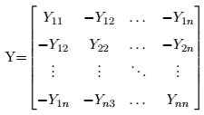
 |  | 2. Read Measurements (Z)

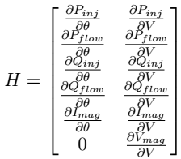
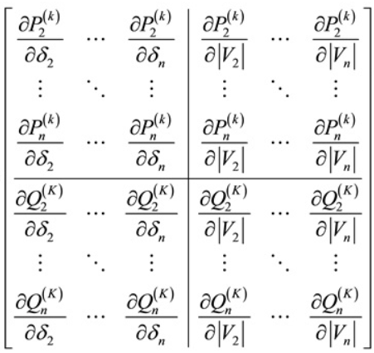
 |  | 3. Calculate Admittance Matrix (Y) | h(x) = [Pi … Pn, Pij …. Pnm, Qi … Qj, Qij …. Qnm]
 |  |  |  |  | Z = h(x) + e
 |  | 4. Calculate power injection and power flow measurements (h(x))

 |  | 5. Calculate Jacobian Matrix (H)

 |  | 6. Calculate Covariance Matrix (R)

 |  | 7. Calculate Gain Matrix (G) | G = HTR-1H;

 |  | 8. Calculate the difference between the next state and the current one (∆x) | ∆x = G-1HTR-1(Z-h(x)) | https://github.com/e2nIEE/pandapower/issues/381
 |  |  |  | https://circuitglobe.com/bus-admittance-matrix.html
Update x (x(k+1) = xk + ∆x) | Y | ∆x > Tolerance
 |  | N
 |  |  |  | on github
 |  | Stop

